Line chart
Create Line Chart with Proper formatting
Should be formatted as shown in picture
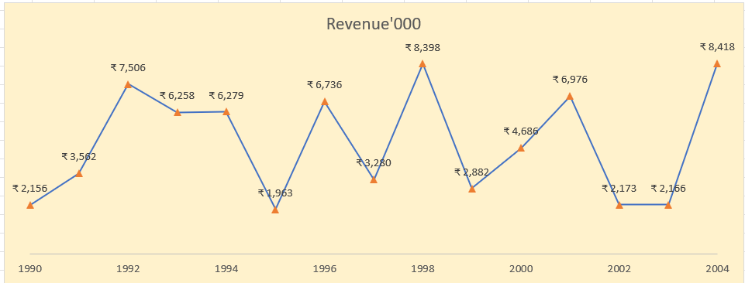
Revenue'000
Date | Revenue'000
1990 | ₹ 2,156
1991 | ₹ 3,562
1992 | ₹ 7,506
1993 | ₹ 6,258
1994 | ₹ 6,279
1995 | ₹ 1,963
1996 | ₹ 6,736
1997 | ₹ 3,280
1998 | ₹ 8,398
1999 | ₹ 2,882
2000 | ₹ 4,686
2001 | ₹ 6,976
2002 | ₹ 2,173
2003 | ₹ 2,166
2004 | ₹ 8,418

